Images
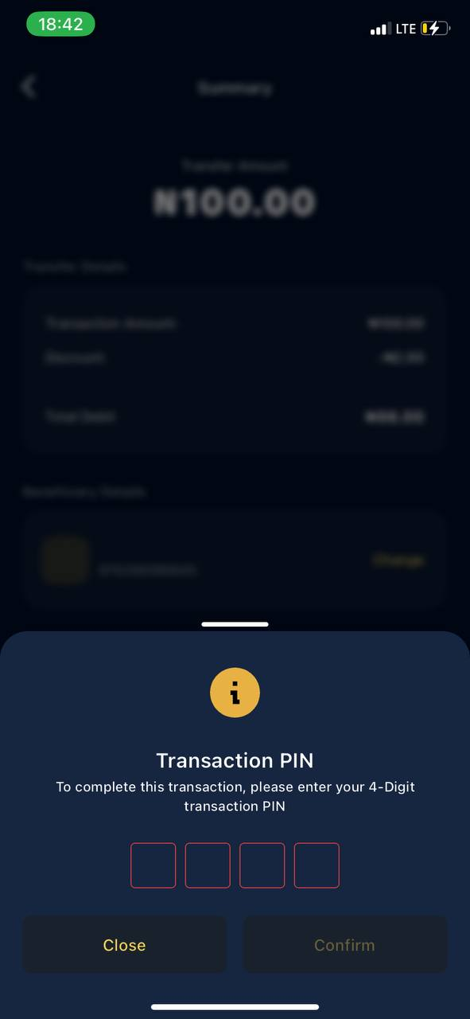
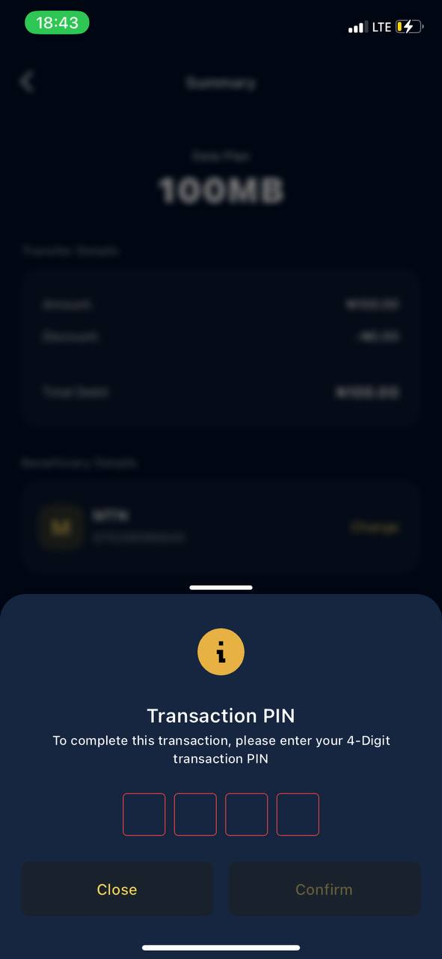
Screen Shots of Errors

Money In and Money Out not displaying properly | Data not saved as beneficiary Being displayed as beneficiary |  | No Service provider was displayed in the Airtime purchase Sumarry
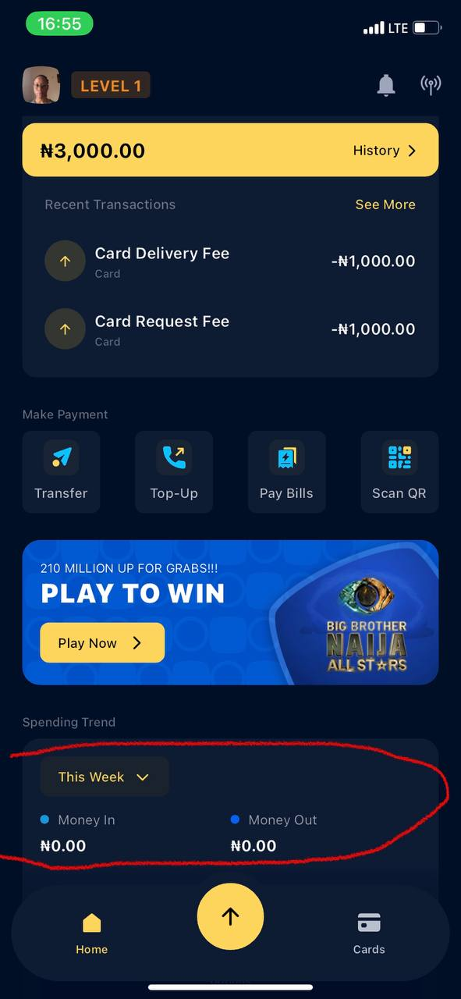
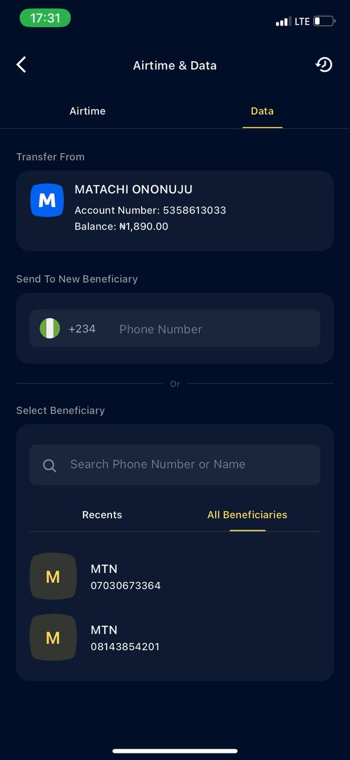
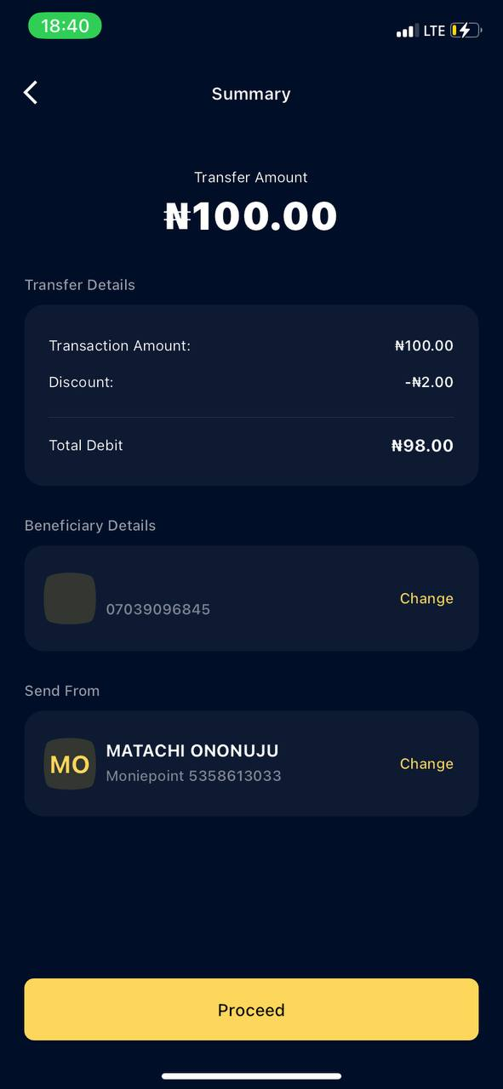

The UI input error for Input Transaction Pin in Airtime purchase |  | The UI input error for Input Transaction Pin in Data purchase

